Uses Case
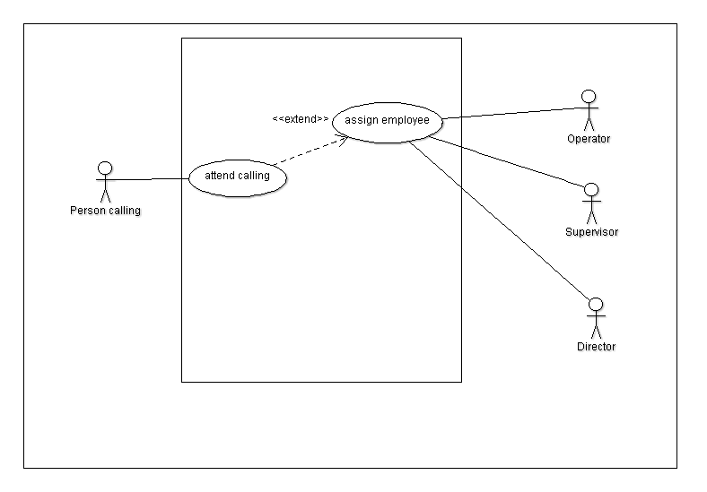
Project Control
Use case description
Name: | Attend calling
Alias: | 1
Actor: | Person Calling
Requirement: | Process and assign the call
Description: | When is a coming call, the system should assig a employee to answer the call. First try to assign a operator if there is no one free, try to assign a supervisor, if there is not a free supervisor assign a director.
Reference:

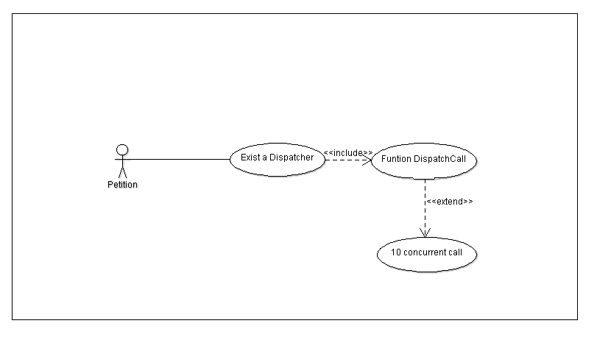
Project Control
Use case description
Name: | Exists entities
Alias: | 2
Actor: | Petition
Requirement: | Should exist Dispatcher with method DispatchCall
Description: | It must exist a class with the name Dispatcher with the responsibility to manage the incoming class, and also should exist a method DispatchCall that make the assignation process.
Reference:

Project Control
Use case description
Name: | 10 concurrent calls
Alias: | 3
Actor: | Petition
Requirement: | Support 10 concurrent calls
Description: | Should manage 10 calls at the same time without a problem.
Reference:

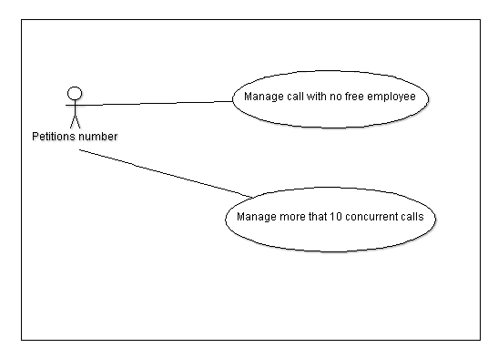
Project Control
Use case description
Name: | Manage call with no free employee
Alias: | 4
Actor: | Petition number
Requirement: | Manage call with no free employee
Description: | If there is not a free employee to answer the call, this call should wait until an employee become free.
Reference:

Project Control
Use case description
Name: | Manage more that 10 concurrent calls
Alias: | 5
Actor: | Petition number
Requirement: | Manage more that 10 concurrent calls
Description: | If the 10 lines are busy, the incoming petition should wait to set free one of the 10 lines.
Reference:

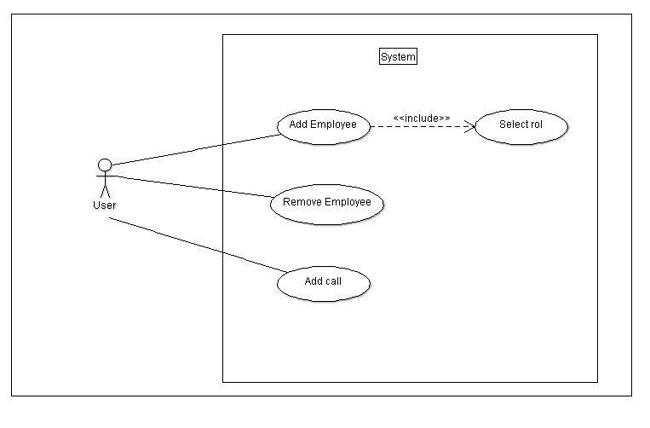
Project Control
Use case description
Name: | add employee
Alias: | 6
Actor: | User
Requirement: | add employee
Description: | The user can select a rol in order to add a new employee at the system
Reference:

Project Control
Use case description
Name: | remove employee
Alias: | 7
Actor: | User
Requirement: | remove employee
Description: | The user can delete the employee, that are not on a call, when finish the call can be remove.
Reference:

Project Control
Use case description
Name: | Add Call
Alias: | 8
Actor: | User
Requirement: | Create a incoming call
Description: | The user can create a incoming call, to check the system behavior
Reference:

Class
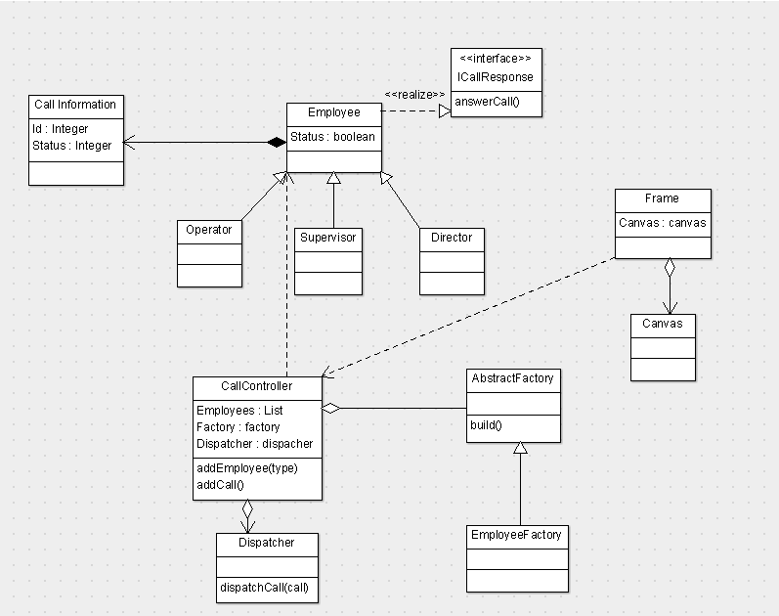
Main design

Sequence
Uses Cases
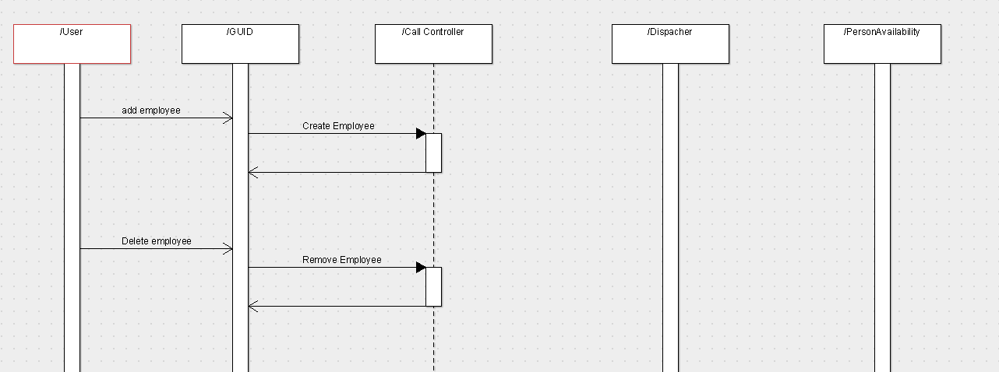

6

7

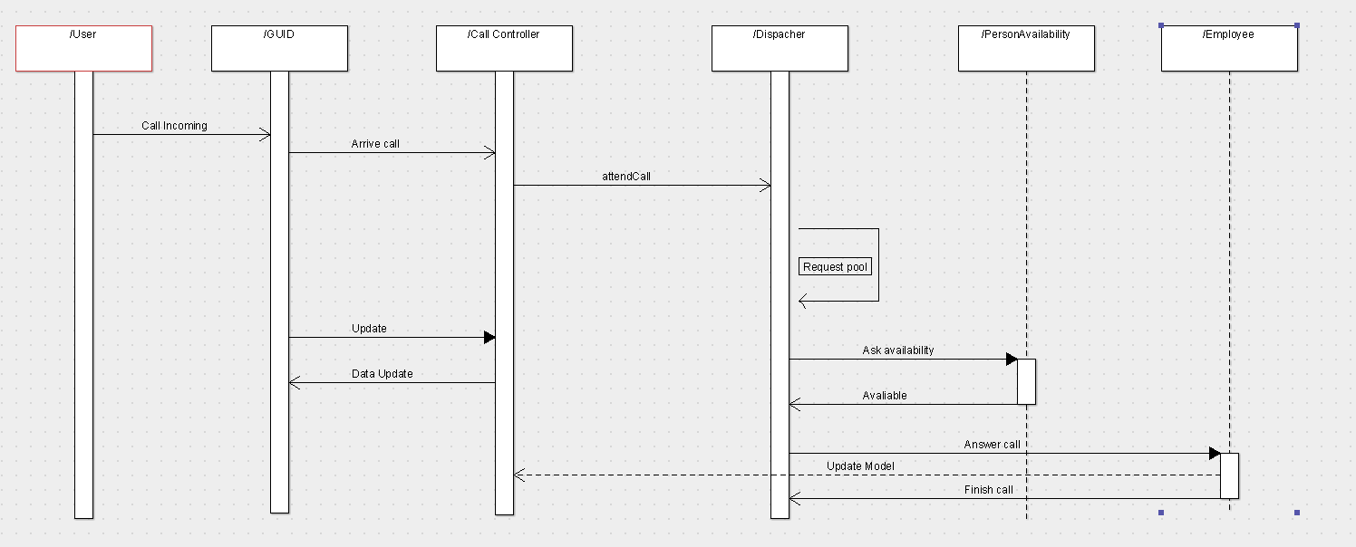

1
2
3
4
5
8

state
Employee states

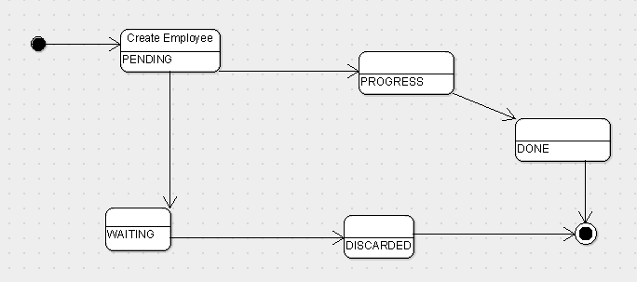

PENDING | Call looking for a thread
WAITING | Call has already a thread but there is not a avaliable employee
DISCARTED | Call No attended
PROGRESS | Call is attended by employee
DONE | Call already attended

Activity
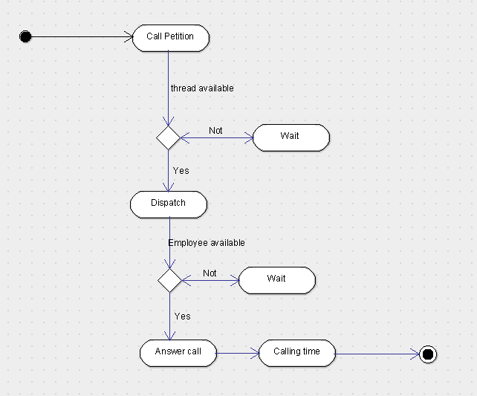

Generated
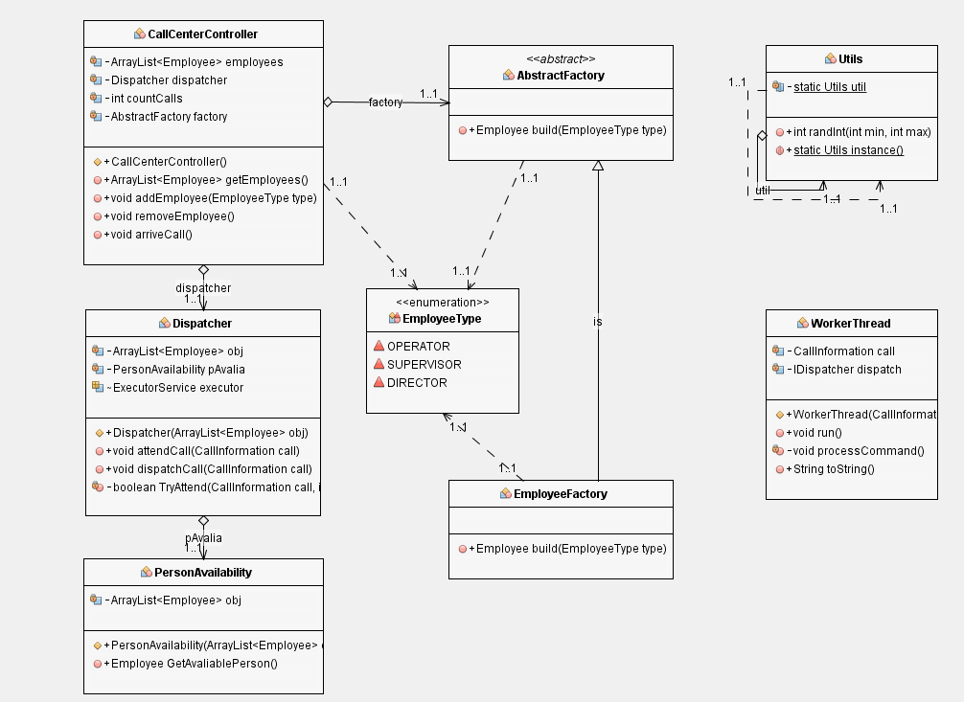
Model

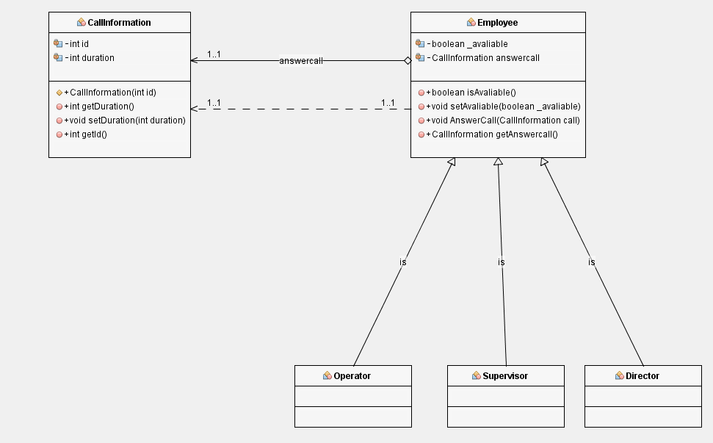

View

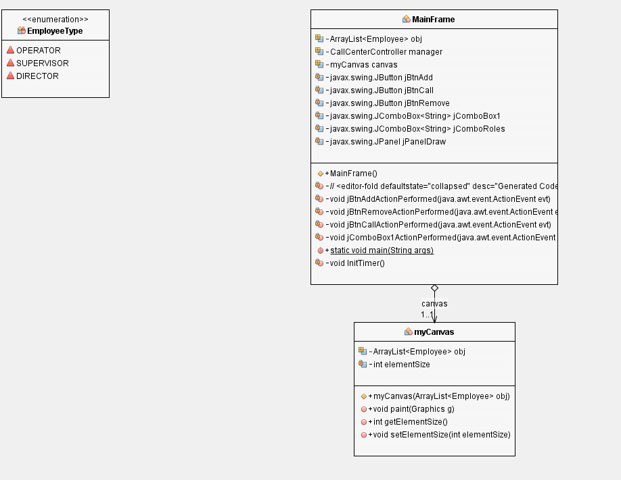

 | Controller

